Advice
Classification code: EQUALGROUPS
Classification value: Equality Groups
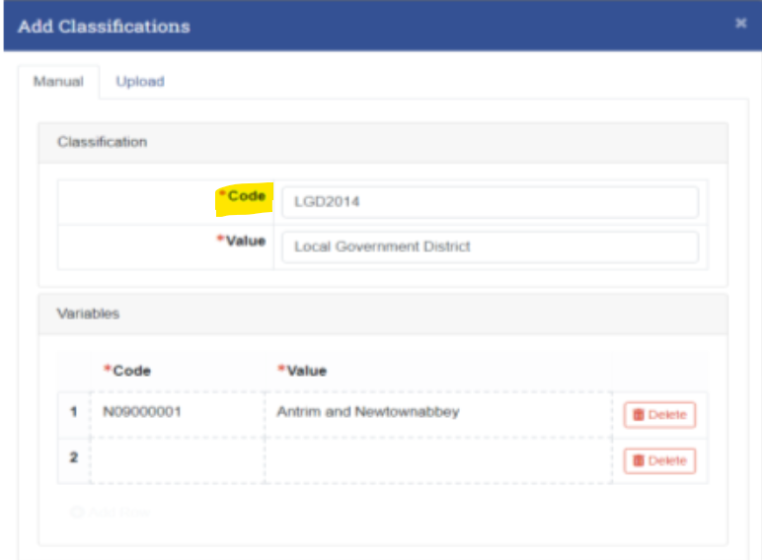
How to use:
Keep the codes consistent across uploads.
Remove the subpops that aren't included, but keep code consistent -
e.g. 25 - Deprivation - Quintile 1 - Most deprived
26 - Deprivation - Quintile 2
27 - Deprivation - Quintile 3
28 - Deprivation - Quintile 4
29 - Deprivation - Quintile 5 - Least deprived
30 - Urban Rural - Urban
31 - Urban Rural - Rural
32 - Urban Rural - Mixed [breakdown not included for indicator - remove]
33 - Political opinion - Unionist
etc...
Or, if Disability breakdown is not included for indicator, code would be as follows:
17 - Dependants - With dependants (overall)
18 - Dependants - Without dependants
19 - Disability (LLSI) - Yes [Remove]
20 - Disability (LLSI) - No [Remove]
21 - Ethnic group - White
22 - Ethnic group - Other
etc.

Classifications_EQ - Template
CODE | VALUE
N92000002 | Northern Ireland | Group
1 | Sex - Male | Sex
2 | Sex - Female | Sex
Note: additonal age band for 65+ and 18-24 added in on row 38/39
3 | Age 16-24 | Age
4 | Age 25-34 | Age
5 | Age 35-49 | Age
6 | Age 50-64 | Age
7 | Age 65-74 | Age
8 | Age 75+ | Age
9 | Marital status - Single | Marital status
10 | Marital status - Married/Civil partnership | Marital status
11 | Marital status - Separated | Marital status
12 | Marital status - Divorced | Marital status
13 | Marital status - Widowed | Marital status
14 | Religion - Catholic | Religion
15 | Religion - Protestant | Religion
16 | Religion - Other/no religion | Religion
17 | Dependants - With dependants (overall) | Dependants
18 | Dependants - Without dependants | Dependants
19 | Disability - Yes | Disability
20 | Disability - No | Disability
21 | Ethnic group - White | Ethnic group
22 | Ethnic group - Other | Ethnic group
23 | Sexual orientation- Heterosexual | Sexual orientation
24 | Sexual orientation - Gay/lesbian, bisexual and other | Sexual orientation
25 | Deprivation - Quintile 1 - Most deprived | Deprivation
26 | Deprivation - Quintile 2 | Deprivation
27 | Deprivation - Quintile 3 | Deprivation
28 | Deprivation - Quintile 4 | Deprivation
29 | Deprivation - Quintile 5 - Least deprived | Deprivation
30 | Urban Rural - Urban | Urban Rural
31 | Urban Rural - Rural | Urban Rural
32 | Urban Rural - Mixed | Urban Rural
33 | Political opinion - Unionist | Political opinion
34 | Political opinion - Nationalist | Political opinion
35 | Political opinion - Neither | Political opinion
36 | Age 65+ | Age
37 | Age 18-24 | Age
38 | Age 16-34 | Age
39 | Marital status - Divorced/Separated | Marital status
40 | Deprivation - Quintile 4/5 | Deprivation
41 | Marital status - Married/Civil partnership/Cohabiting | Marital status
42 | Tenure - Private Rented | Tenure
43 | Tenure - Public Rental | Tenure
44 | Tenure - Buying with Mortgage | Tenure
45 | Age - Youth | Age
46 | Age - 10-13 | Age
47 | Age - 14 | Age
48 | Age - 15 | Age
49 | Age - 16 | Age
50 | Age - 17 | Age
51 | Age - Adult | Age
52 | Age - 18-19 | Age
53 | Age - 20-24 | Age
54 | Age - 25-29 | Age
55 | Age - 30 - 39 | Age
56 | Age - 40 - 49 | Age
57 | Age - 50 - 59 | Age
58 | Age - 60+ | Age
59 | Age - Under 18 | Age
60 | Age - 18-25 | Age
61 | Age - 26-29 | Age
62 | Age 60-64 | Age
63 | Household Group - Elderly | Household Group
64 | Household Group - Large Adult | Household Group
65 | Household Group - Large Family | Household Group
66 | Household Group - Single | Household Group
67 | Household Group - Small Adult | Household Group
68 | Household Group - Small Family | Household Group
69 | Age 35-44 | Age
70 | Age 45-54 | Age
71 | Age 55-64 | Age

